Student Learning Goals-Outcomes
Standard #4 Measurement and Analysis of Student Learning and Performance
Use this table to supply data for Criterion 4.2. (Figure 4.2 in self-study)
Performance Indicator | Definition
1. Student Learning Results | A student learning outcome is one that measures a specific competency attainment. Examples of a direct assessment (evidence) of student learning attainment that might be used include: capstone performance, third-party examination, faculty-designed examination, professional performance, licensure examination). Add these to the description of the measurement instrument in column two: Direct - Assessing student performance by examining samples of student work Indirect - Assessing indicators other than student work such as getting feedback from the student or other persons who may provide relevant information. Formative – An assessment conducted during the student’s education. Summative – An assessment conducted at the end of the student’s education. Internal – An assessment instrument that was developed within the business unit. External – An assessment instrument that was developed outside the business unit. Comparative – Compare results between classes, between online and on ground classes, Between professors, between programs, between campuses, or compare to external results such as results from the U.S. Department of Education Research and Statistics, or results from a vendor providing comparable data.
 |  | Analysis of Results
Performance Measure | What is your measurement instrument or process? | Current Results | Analysis of Results | Action Taken or Improvement made | Insert Graphs or Tables of Resulting Trends (3-5 data points preferred)
Measurable goal | Do not use grades. | What are your current results? | What did you learn from the results? | What did you improve or what is your next step?
What is your goal? | (Indicate type of instrument) direct, formative, internal, comparative |  |  |  |  |  | Spring 2011 | Fall 2011 | Spring 2012 | Fall 2012 | Spring 2012 | Fall 2013
MFT Knowledge of Foundation Areas
(Example) Knowledge of foundation areas for MBA program will score 150 and above | Summative, External, Comparative data derived from Business MFT | A goal of 150 was set as a benchmark with an average score of 152 in 2013 | Evaluation of all course learning outcomes for consistency, more oral presentations and more written assignments were added. | Increased use of Blackboard platform to support course. Uploaded syllabi, videos, documents, etc. |  | 146 | 151 | 140 | 146 | 146 | 147 | 152
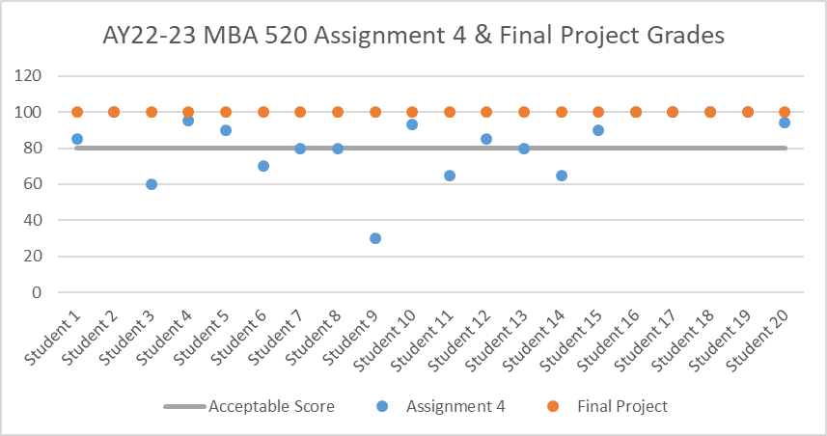
MBA |  |  |  |  |  | 150 | 150 | 150 | 150 | 150 | 150 | 150
Create innovative solutions to business problems using analytical tools across disciplines. Performance standard will score 80 and above out of 100 | Formative, Internal Data from MBA 520 Economics for Managers (Presentation and Analysis) Group Final Project (INDIRECT) __________________ Formative, Internal Data from MBA 520 Economics for Managers Homework #4 Individual Assignment (DIRECT) | Performance standard: 80% individual/ group score on measurements of innovative solutions to business problems using analytical tools across disciplines. | The performance standard was met in the Final Presentation and Analysis Group Project. Out of a total point value of 100 points for the Final Group Project Presentation, all groups scored above 80%. ____________________________________ The performance standard was not met in the direct measure of MBA 520. 15 out of 20 students (75%) receive a score of 80 or higher | Analysis and Implications: The direct measure assignment used analytic tools and software to analyze the profitability of a firm operating in two markets. The challenge with an assignment such as this addresses the question of how much quantitative background a student needs before taking this course. For example, should MBA 514 – Business Analytics be a prerequisite for this course (i.e., MBA 520 – Economics for Managers)? Or as another example, should more students with a less rigorous quantitative background entering the MBA program be required to take the MBA 500 (a course not required in the MBA but a course which introduces students to data analysis in an Excel environment)? These are all topics for discussion in the coming months. Improvements: The direct measure assignment used analytic tools and software to analyze the profitability of a firm operating in two markets. The challenge with an assignment such as this addresses the question of how much quantitative background a student needs before taking this course. For example, should MBA 514 – Business Analytics be a prerequisite for this course (i.e., MBA 520 – Economics for Managers)? Or as another example, should more students with a less rigorous quantitative background entering the MBA program be required to take the MBA 500 (a course not required in the MBA but a course which introduces students to data analysis in an Excel environment)? These are all topics for discussion in the coming months.
Formulate leadership strategies to enhance team performance. Performance standard for the direct measure will score 85 and above. Performance standard for the indirect measure will score 86 group score at acceptable or above. | Summative, Internal, Comparative Data from MBA 517- A Leading in Business Leadership Challenge Interview (DIRECT) __________________ Summative, Internal, Comparative Data from MBA 517-A Leading in Business Team Observation Group Project (INDIRECT) | A goal of 85 was set as a benchmark with an expected score of 100 for the individual project (DIRECT) ________________ A goal of 86 for the Team Observation Group Project was set as a benchmark with an expected score of 100 (INDIRECT) | MBA-517-A Leading in Bussiness Leadership Challenge Interview: 12 out of 13 students met the target performance standard. (92%). ____________________________________ MBA-517-A Leading in Business Team Observation Group Project: Out of a total point value of 20% for the Team Observation Group Project section of the group rubric, all teams scored above 80%. Therefore, the performance standard was met for Indirect Measure | Analysis and Implications: While this standard was met, opportunities for improvement should always be pursued. As we work to implement new tactics to increase leadership opportunities and global business opportunities, we will keep a pulse on how to manage updates in our curriculum to best match our consistently evolving environment. We are also working to add additional areas for assessment like standardized testing created by faculty to measure student success and show growth as well as areas of opportunity. Improvements: Continue to use the Leadership Challenge Interview and Team Observation Group Project and successful tools to measure leadership related outcomes. | 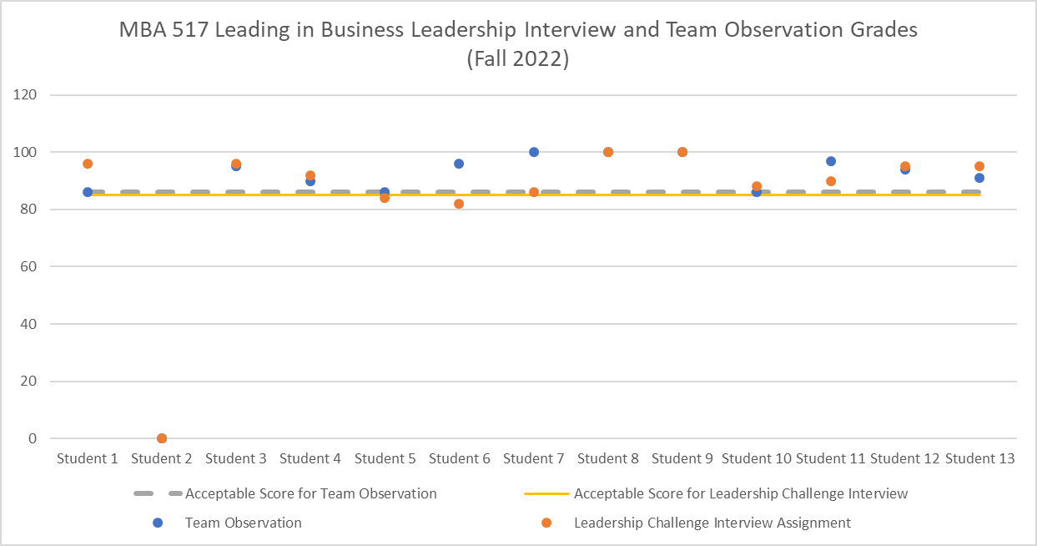
Demonstrate effective communication skills. Performance standard for the direct and indirect measure will score 80 and above out of 100. | Formative, Internal, Comparative Data from MBA 511- A Managment Foundations Case Study Analysis - Group Project (INDIRECT) __________________ Formative, Internal, Comparative Data from MBA 511-A Management Foundations Critical Thinking Individual Project (DIRECT) | A goal of 90% was set as a benchmark with an expected score of 100 for individual/ group score measurement of effective communication skills | The performance standard was met for indirect measure.Out of a total point value of 30% for the Case Study Group Project section of the group rubric, 34 out of 36 students scored above 80 out of 100 points (94%) ____________________________________ In the Critical Thinking Project, 31 out of 35 students received a grade of 80 or above 80 (89%). This performance standard was not met. | Analysis and Implications: It should be noted that in MBA 511, the direct measure Critical Thinking Individual project, 86% of students receiving a grade of 80 or better. However, given the Performance Standard had been set at 90%, technically this standard was not met. However, upon reflection and to achieve consistency with other performance measure indicators, a standard going forward of 80% is deemed more appropriate. That said, this learning outcome should be closely monitored in future cycles. Improvements: Given the Case Study Analysis group project, had 100% of teams meeting the standard, in an effort for continuous improvement, the Director and the Instructor will look for ways to increase the rigor of the exercise. | 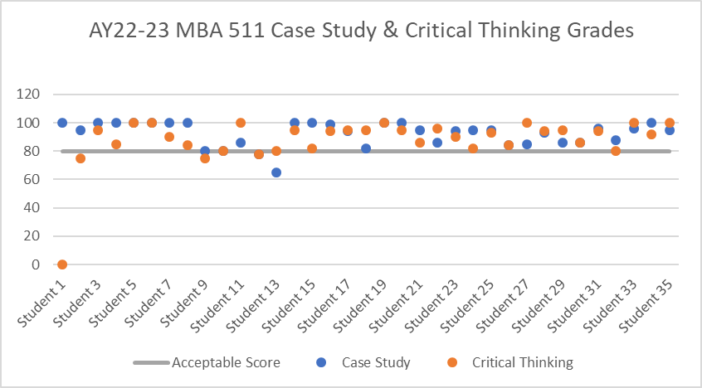
Develop ethical solutions for complex business problems. Performance standard for the direct measure will score 45 or above and above out of 55 in MBA 516 Business Law and Ethics Performance standard for the indirect measure will be at least 75% of students receive a score of 90% of possible point or higher in MBA 516 Business Law and Ethics | Formative, Internal, Comparative Data from MBA 516 Business Law and Ethics. (DIRECT) __________________ Summative, Internal, Graduating Student Survey Question: 1- Determine the most ethically appropriate response to a situation 2- Understand the major ethical dilemmas in your field (INDIRECT) | A goal of 80% of students achieve acceptable / met expectations on written standards (per rubric) ________________ For Graduating Student Survey, The performance standard is at least 75% of students respond “Good” or “Excellent”. | The performance standard was met since 85% of students achieved acceptable/ met expectations on the assignments of MBA-516 Business Law and Ethics. ____________________________________ In the Graduating Student Survey: 19 students responded “Good” or “Excellent” regarding “Determine the most ethically appropriate response to a situation” in the survey. (78.9% Good or Excellent). 19 students responded “Understand the major ethical dilemmas in your field” in the survey. (73.7% Good or Excellent) Performance standard was not met as the average response was “Good” or “Excellent” | Analysis and Implications: Given this question (“Understand the major ethical dilemmas in your field”) addresses field specific ethical dilemmas, the ethics MBA course should address not only the broad ethical issues (e.g., Sarbanes Oxley) but also issue that are more field specific (e.g., FTC guidelines for Influencers in Marketing). Improvements: In speaking with the professor who teaches the MBA Ethics course (MBA 516), he has agreed to spend additional time addressing ethical issues that are more field specific (e.g. in marketing and finance). | 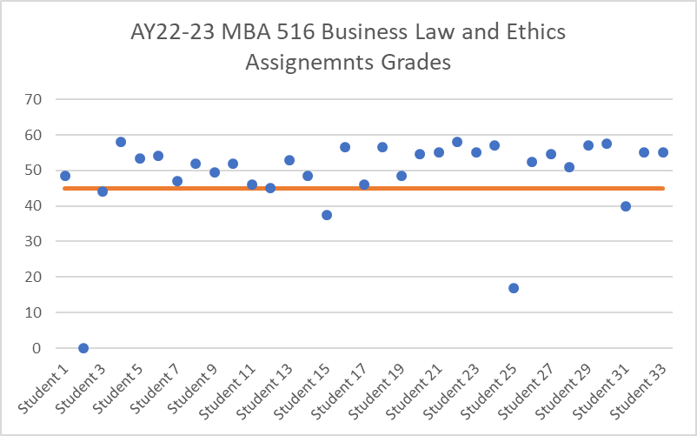 | 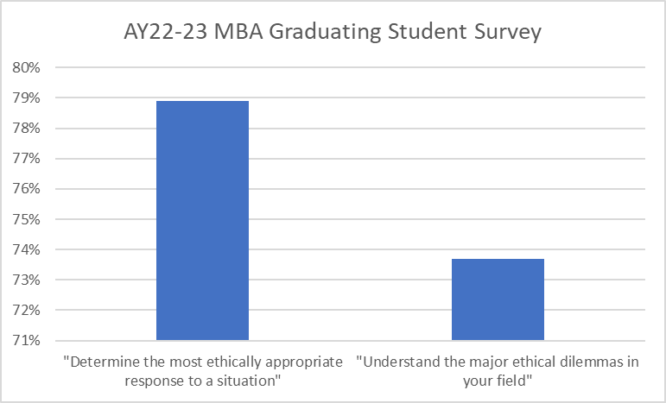
Assess diverse global business opportunities. Performance standard for the direct measure will score 18 or above out of 20 in MBA 585 Gobal Business Experience The Performance standard for the indirect measure will score 36 or above out of possible point 40 in MBA 585 Global Business Experience Group Project | Formative, Internal Data from MBA 585 Global Business Experience Briefing Book Individual Project (DIRECT) __________________ Formative, Internal Data from MBA 585 Global Bussines Experience Team Presentation Group Project (INDIRECT) | A goal of 75% of students receive a score of 90% of possible point or higher was set as a benchmark for the Briefing Book Project (DIRECT) ________________ A goal of 85% of students receive a score of 90% of possible point or higher for the MBA 585 Team Presentation Group Project (INDIRECT) | In the individual Briefing Book project, 31 out of 39 students received a score of 90% of possible points or higher. (79%) In the team presentation group project, fully 100% 39 out of 39 students received a score of 90% of possible points or higher. Both performance standards were met. | Analysis and Implications: While this standard was met, opportunities for improvement should always be pursued. As we work to implement new tactics to increase leadership opportunities and global business opportunities, we will keep a pulse on how to manage updates in our curriculum to best match our consistently evolving environment. We are also working to add additional areas for assessment like standardized testing created by faculty to measure student success and show growth as well as areas of opportunity. Improvements: Prior to COVID, MBA students could take a Global Classroom section of MBA 585 during the Spring semester. During this academic year, the plan is to begin securing approval to have these offerings again for the Spring ’25 or Spring ’26 semester. This immersive learning environment is the ultimate example of experiential learning of global business issues. | 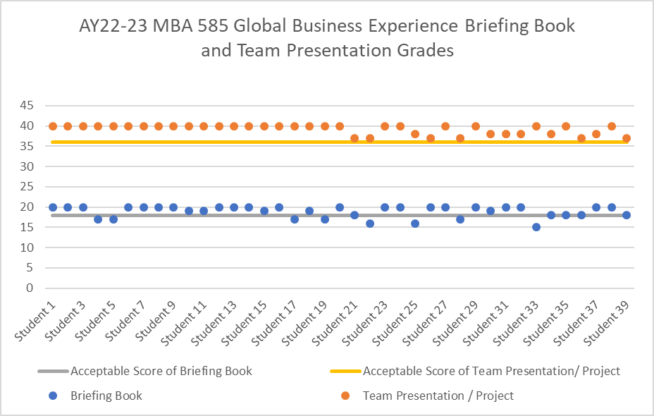
BBA
Demonstrate competence and understanding of basic business disciplines and concepts. The performance standard for the direct measure will score 95 or above in MGT 123-A The Business Experience The performance standard for the indirect measure will score 85 or about out tof 100 points possible in MGT 489 Senior Business Seminar | Formative, Internal, Compartive Data from MGT 123 The Business Experiene Final Exam (DIRECT) __________________ Senior Business Seminar (Group Final Project) (INDIRECT) | A goal of 75% of students will receive the score of 95 or above out of 150 points possible for the Final Exam in MGT 123-A ________________ Performance Standard for the Group Final Project : 80% of students will receive 85 or above out of 100 points possible | The performance standard was met. Scores from 22/FA MGT 123 were collected via Canvas by the BILT Assessment and Accreditation Coordinator. 22/FA MGT 123 had 87 students in the class. 66 out of 87 students received a score of 95 or above. (76%) ____________________________________ 22/FA MGT 489 had 13 students and 23/SP MGT 489 had 30 students in two sections A and B. 1 out of 9 group from two semesters received the score of 85 or above out of 100 points possible.The performance standard was not met. | Analysis and Implications: After a thorough review of past student scores and learning objective metrics, we found that an area of improvement that can boost student’s scores is exemplifying an understanding of firm financial management and building financial models. Improvements: As capstone professors of business, we have plans to collaborate with the finance professors that teach the higher level finance courses to make sure our learning metrics and outcomes for the Capstone project as it relates to a comprehensive understanding of financial modelling are aligned with the learning objectives in finance courses, so that our students will be better prepared for the financial rubrics of the Capstone 489 Seminar. | 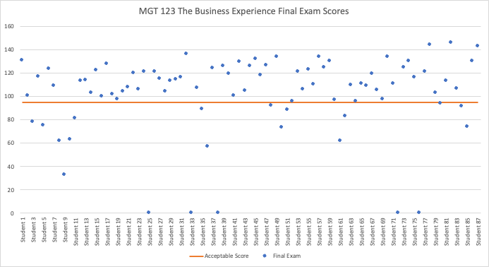
Demonstrate leadership and collaborative skills. Performance standard for the direct measure will score 130 or above out of 150 points possible. Performance Standard for the Internship Supervisor Survey: 90% of respondents will rate students positively when making comments regarding “Student’s Overall Performance. | Formative, Internal Data from MGT 304 Organizational Management (DIRECT) __________________ Summative, Internal Data from MGT 490 Internship Supervisor Survey (INDIRECT) | A goal of 80% of students will receive 85 or above out of 100 points possible for Leadership paper in MGT 304 Organizational Management ________________ Performance Standard for the Internship Supervisor Survey: 90% of respondents will rate students positively when making comments regarding “Student’s Overall Performance. | In the Leasdership Paper, 43 out of 50 students (86%) received a score of 85 or above. Therefore, this performance standard was met. ____________________________________ The Internship Supervisory Survey is sent out to supervisors at the end of every semester by the Center of Career Development. The result were collected by the BILT Assessment and Accreditation Coordinator. 17/18 students making positive comment regarding “student’s Overall Performance” (94%) This performance standard was met. | Analysis and Implications: Both the direct and indirect performance standards were met. Our students have successfully demonstrated competencies and a fundamental understanding of business concepts, and they were able to project their knowledge through internships with employer feedback and the Final essay on Leadership in MGT 304. Improvements: We plan to keep the performance standards in their current status and will monitor if any necessary changes will be needed in the future. | 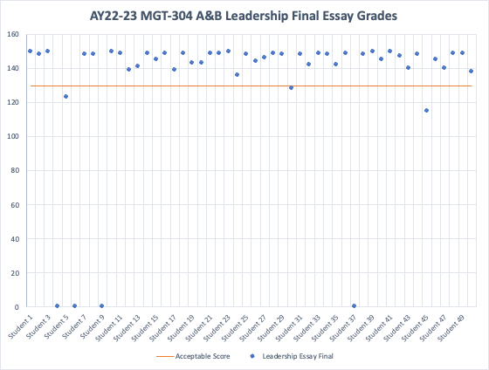 | 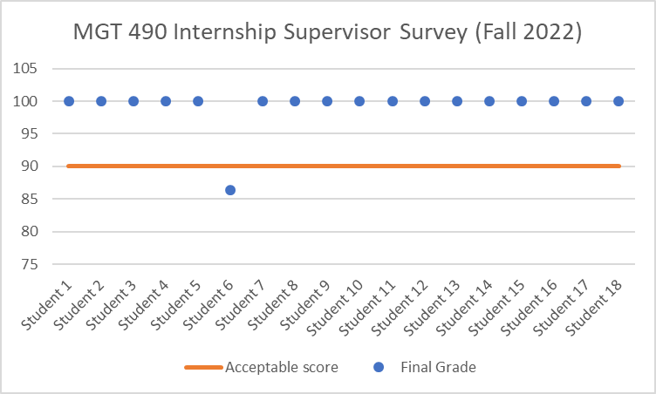
MGT 451 Strategic Management Presentation Case Study Grades (Spring 2023)
 | Case Study - Preparation, Presentation, and Performance Grade | Acceptable Point
Student 1 | 195 | 190
Student 2 | 199 | 190
Student 3 | 197 | 190
Student 4 | 195 | 190
Student 5 | 195 | 190
Student 6 | 197 | 190
Student 7 | 198 | 190
Student 8 | 199 | 190
Student 9 | 196 | 190
Student 10 | 198 | 190
Student 11 | 197 | 190
Student 12 | 196 | 190
Student 13 | 196 | 190
Student 14 | 199 | 190
Student 15 | 198 | 190
Student 16 | 196 | 190
Student 17 | 199 | 190
Student 18 | 199 | 190
Have a global perspective of business. Performance Standard for the Individual AIM2Flourish Midterm Paper in ENT 201 will score 120 or above out of 150. Performance Standard for the MGT 451 Strategic Management: Students will receive 190 or above out of 200 points possible | Formative, Internal, Compartive Data from ENT 201 Entrepreneurship: The Principles (DIRECT) __________________ MGT 451 Strategic Management Business Case Analysis Presentations (Group Final Project) (INDIRECT) | A goal of 85% of students will receive 80% of possible point for AIM2Flourish Midterm paper in ENT 201. ________________ Performance Standard for the Business Case Analysis Presentation: 80% of students will receive 190 or above out of 200 points possible | ENT 201 had a total of 9 students in the class. Students researched a business invitation that is both profitable and good for the world. Take part in achieving the Global Goals and be eligible for Flourish Prizes recognition. At the end, students wrote and submitted the story on AIM2Flourish.com. 8 out of 9 students received a score of 80% of possible points (150). This performance standard has been met since 89% of students receive an acceptable point. ____________________________________ 18 out of 18 students received a score of 190 or above out of 200 possible points (100%). This performance standard has been met since 89% of students receive an acceptable point. In the MGT 451 Stretegic Management Business Case Analysis Presetnations 100% of students achieve a grade above 190. This performance standard has been met. | Analysis and Implications: The indirect performance standard wasn't met our students have successfully demonstrated a competency and basic understanding of business through the business case analysis and presentation. Although this is a team assignment it indirectly measures both team performance and individual performance since the case analysis is an individual assignment, and the building of the presentation is a team assignment. Improvements: We plan to keep this performance standard, and continue to monitor the achievement threshold (<), and improve upon this assignment by making it an individual assignment instead of a team assignment for a direct measurement index. | 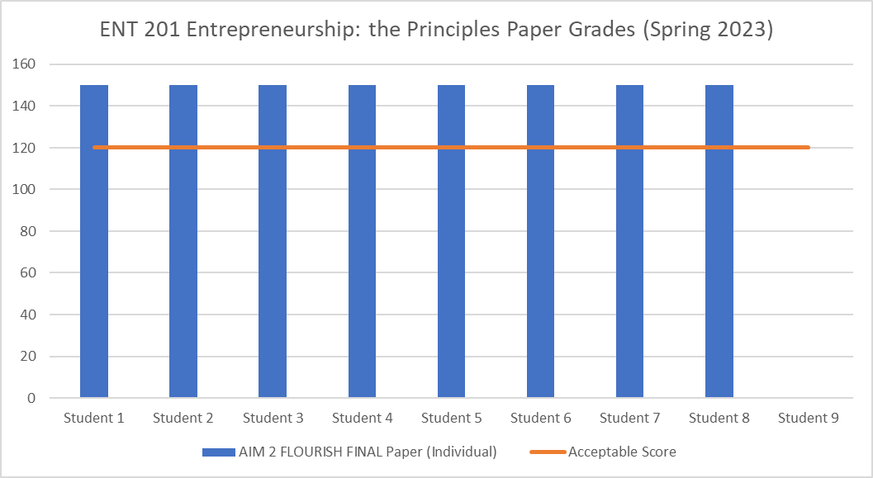
Be effective communicators. Performance Standard for the direct measure will score 60 points or higher on the 80 point written assignment based on the rubric for Individual Cover Letter Submissions Performance Standard for Graduating Student Survey: At least 75% of students respond “Good” or “Excellent” | Summative, Internal, Comparative Data from MGT 291 Business Communication (DIRECT) __________________ Graduating Student Survey Question: “Improve oral and written communication” "Deliver a coherent written argument" "Deliver a coherent oral presentation" (INDIRECT) | A goal of 85% of students will score 60 points or higher on the 80 point written assignment based on the rubric ________________ For Graduating Student Survey, The performance standard is at least 75% of students respond “Good” or “Excellent”. | The performance standard was met. 48/48 students from Fall 2022 and Spring 2023 scored 60 points or higher on the 80 point written assignment based on the rubric. (100%) ____________________________________ PIE conducts the Graduating Student Survey annually. Assessment Coordinator gathers the results. In the Graduating Survey, there are 19 out of 39 responses to the “Improve oral and written communication”. 38 out of 39 responses to “Deliver a coherent written argument", and "Deliver a coherent oral presentation". The percentage of good or Excellent were 49%, 71.1%, and 76.3%. There is only one question that met the performance standard while others did not. | Analysis and Implications: The direct performance measurement was met for the management 291 business communication class. Since this is a direct measure of individual performance and from the last results we had a 100% goal attainment for communication we will continue to use this as a metric since the core of this course is about effective communication. The indirect performance measures we're not met 19 out of 39 respondents to the graduating students survey found that 49% of the students responded that they had an improved oral and written communication skills. 38 out of 39 students responded to "Deliver a coherent for wrriten argument and oral presentation" (71.1%and 76.3%). Moving forward we will develop a new outcome measure as just depending on a graduating student survey doesn't really correlate strongly with the performance measurement of student communication improvement. Improvements: We plan to keep the direct performance measurement moving forward. We plan to discover another outcome measurement and performance standard that better aligns with the indirect measurement of effective communication improvements other than the graduating students’ surveys that we currently employ. We plan to discover a course that we currently offer that can be a better marker for this measure. | 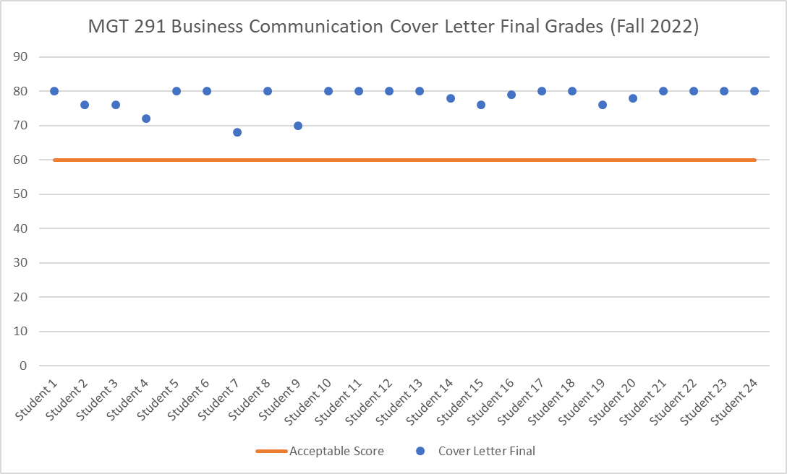 | 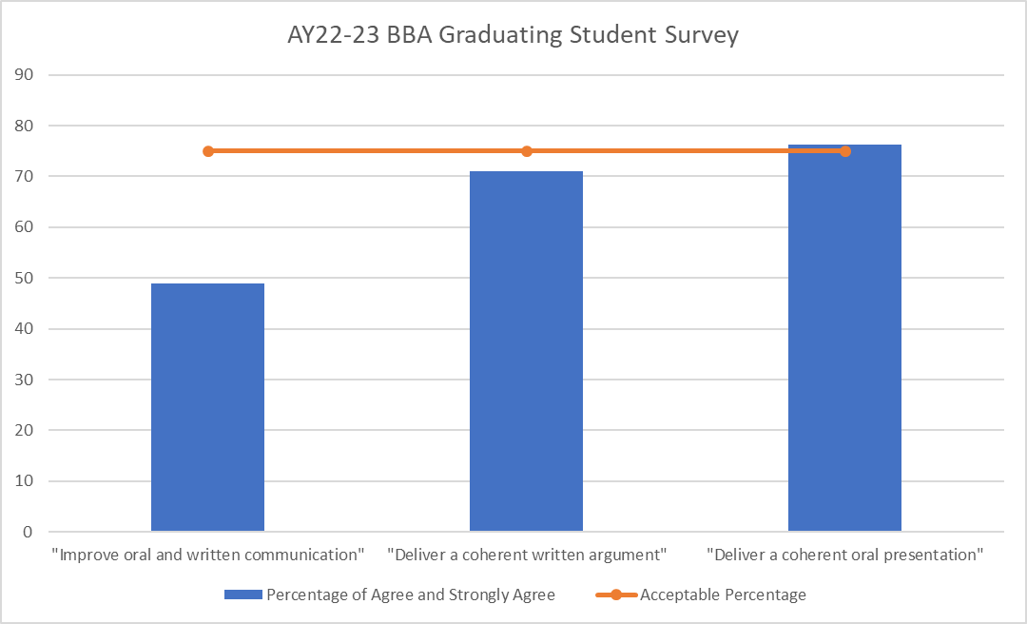
Use current business technology effectively. The performance standard on MGT 451 Strategic Management Final Presentation Strategic Audit will score 190 points or higher on the 200 point presentation assignment based on the rubric. The performance standard of Group Assignment External Analysis will score 210 points or higher on the 250 point group assignment based on the rubric. | Formative, Internal, Compartive Data from MGT 451 Strategic Management Final Presentation (DIRECT) __________________ Summative, Internal, from MGT 451 Strategic Managment Group Assignment External Analysis (INDIRECT) | A goal of 90% of students will score 190 points or higher on the 200 point presentation assignment based on the rubric ________________ 90% of students will score 210 points or higher on the 250 point group assignment based on the rubric. | 18/18 students get 190 points or higher on the 200 point presentation based on the rubric (100%). The performance standard was met. 18/18 students get 210 points or higher on the 250 point written assignment based on the rubric. The performance standard was met. | Analysis and Implications: The final strategic case analysis and the final strategic case audit presentation are the final products that students must deliver that is a significant portion of their final grade in the 451 course. The direct measurement in the strategic audit paper is mostly measured by the first part of the strategic analysis which is the internal analysis. Students select their individual companies amazing pictures and conduct an internal analysis of that company as an individual assignment. For the second half of the semester and the final strategic case audit presentation students who did individual company analysis come together and conduct an industry analysis as a team.This past year, Our students have met or exceeded the threshold that satisfies both direct and indirect performance measures. Improvements: We plan to keep both performance measures and will monitor if any necessary changes will be needed in the future. | 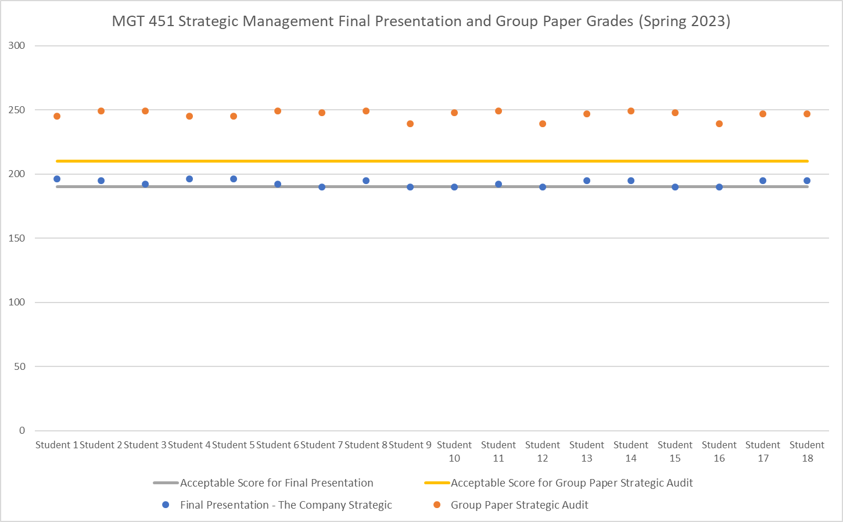
Have an ethical perspective of business. The performance standard for the ENT 201 Entrepreneurship: The Principles Invididual Assignment will score 85 points or higher on the 100 points written assignment based on the rubric. The performance standard for ENT 301 Entrepreneurship Final Presentation will score 3 points or higher on the 5 point scale based on the DRP #19 scorecard rubric. | Formative, Internal, Compartive Data from ENT 201Entrepreneurship: The Principles (DIRECT) __________________ Group Assignment from ENT 301 Entrepreneurship Final Presentations (INDIRECT) | A goal of 90% of students will score 85 points or higher on the 100 points written assignment based on the rubric ________________ 85% of students will score 3 points or higher on the 5 point scale based on the DRP #19 scorecard rubric | Scores from 23/SP ENT-201 were collected via Canvas by the BILT Assessment and Accreditation Coordinator. 23/SP ENT 201 had 9 students in the class. 9 out of 9 students received a score of 85 or higher on the 100 points written. (100%) This performance standard was met. In the Spring 2023 Canvas course, There are 4 groups for ENT 301. All 4 groups receive the score 3 points or higher on the 5 point scale. (100%) The performance standard was met. | Analysis and Implications: Both direct and indirect performance standards were met the entrepreneurship minor students have successfully demonstrated competencies and a basic understanding of entrepreneurship and business concepts and we're able to showcase what they knew through the design ethnography project for direct measurement and indirectly measure through the entrepreneurship final pitch presentation. A strength of the design ethnography project is that it is the very first assignment that students have that forces them to learn a research methodology and teaches them how to be observant in seeking opportunities to bring a solution or innovation to a particular design problem, whether business, social, or process. It also provides an exercise to start the design thinking process of human empathizing which is key for designing with an ethical lens. One of the strengths in using the the scorecard for assessing and grading student pitch presentations is that it has a metric of a particular product or service that's being presented and shows that the student understands the relationship between people the product and the empathetic need of the product. To model business ventures and to create the outline for the pitch presentation, we train students how to use the Flourishing Model Canvas, which is a tool that helps students approach designing innovation and consider the social, environmental, as well as financial impacts and benefits of the society and the business firm. Improvements: Moving forward we plan to keep both of these performance indices. One reason is that our entrepreneurship program is quite nascent and small which alludes to the 100% goal attainment for both indirect and direct measurement. Although we'll keep both performance indices, we plan to continuously monitor and improve upon these assignments and modify them when needed. | 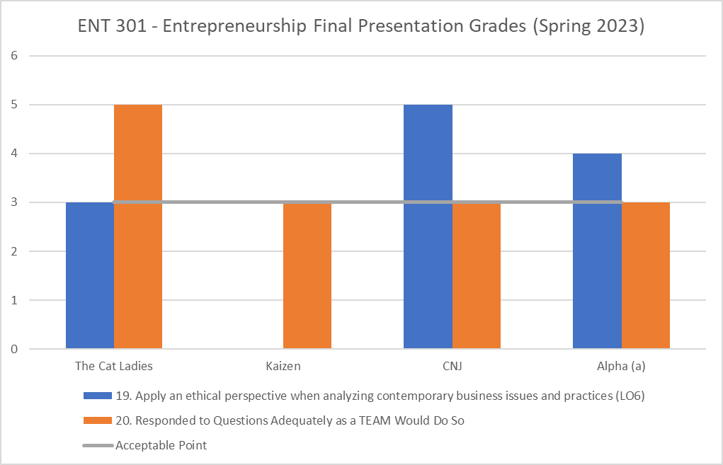
BS in Accounting
Demonstrate competence and understanding of basic business disciplines and accounting concepts. Performance Standard: 80% of students receive a score of 75% of possible points or higher in ACT 201 Principles of Accouting. For Graduating Student Survey, at least 75% of student's response "Good" or "Excellent" | Summative, Internal, Comparative Data from ACT 201 Principles of Accounting I (DIRECT) __________________ Graduating Student Survey Question: “I believe I have knowledge and skills necessary to be effective at making positive changes in my community.” (INDIRECT) | A goal of 80% of students receive a score of 75% of possible points or higher for Acounting Final Exam ________________ A goal of at least 75% of students response "Good" or "Excellent" in Graduating Student Survey | In ACT 201 Final Exam, 56 out of 67 students receive a score of 75% of possible points or higher. (83%) The performance standard was met. ____________________________________ PIE conducts the Graduating Student survey annually. Assessment Coordinator gathers results. For the AY22-23 survey, there were 3 responses. Fully 100% of students responded “Good” or Excellent” regarding their “use of qualitative/ quantitative techniques within your professional field” - performance standard was met. The average response was in the rage of “Good” to “Excellent” | Analysis and Implications: For ACT 201 A&B classes in 22/FA, 84% of the students received a score of 75% of possible points or higher, which met the performance standard. For 22/FA, the strengths of ACT 201 include a timely review of the content (i.e., in-class quizzes and chapter assignments) and the weaknesses may include the length of a quiz (i.e., Each quiz given in class was relatively long). Improvements: To improve the curriculum of ACT 201, we plan to shorten the length of the in-class quiz so students do not need to rush during the quiz time. | 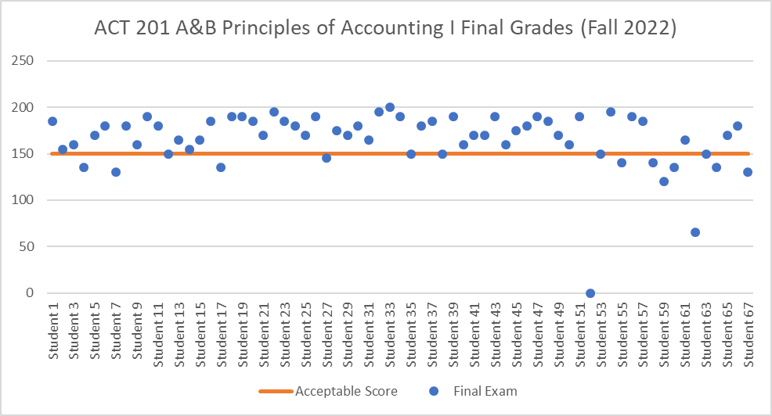
Apply collaboration skills in a team environment. The performance standard for ACT 306 Cost Auditing is 22.5 or above out of 30 in the Group Assignment The performance standard for ACT 303 will score 150 point or above out of 200 in the Final Exam. | Formative, Internal, Comparative Data ACT-306 Cost Accounting Group Assignment (INDIRECT) __________________ Formative , Internal, Comapartive Data from ACT-303 Intermediate Accounting I Final Exam (DIRECT) | A goal of 80% of students receive a score of 75% of possible points or higher was set as a benchmark for both direct and in direct measure. | 22/FA ACT 306 has 5 students in the class. The project involves determining three numerical components: Growth, Price-Recovery, and Productivity from year-over-year Operating Income Statements. The quantitative analysis needs to be correlated to the Balanced Scorecard and its four Perspectives to fully analyze the company. 5 out of 5 students receive a score of 75% of possible points or higher. The performance standard was met. ____________________________________ In ACT-303 Final Exam, 4 out of 7 students receive a score of 75% of possible points or higher. (57%) The performance standard was not met. | Analysis and Implications: The performance standard was met for ACT 306 A, but unfortunately it was not met for ACT 303 A class in 22/FA. For 22/FA, the strengths of ACT 303 include a timely review of the content (i.e., in-class quizzes and chapter assignments) and the weaknesses may include the quiz question types (i.e., Each quiz question was relatively difficult). For ACT 306 class, the strengths include the incorporation of a team project and the weaknesses may include a relatively short section assigned to the discussion of the result in the team assignment. Improvements: To improve the curriculum of ACT 303, we plan to choose the appropriate level of difficulty for quiz questions, as the purpose of giving a quiz is to check students' understanding of the core concepts. For ACT 306, we plan to design the team project so it can have more weight on the discussion of the result section. | 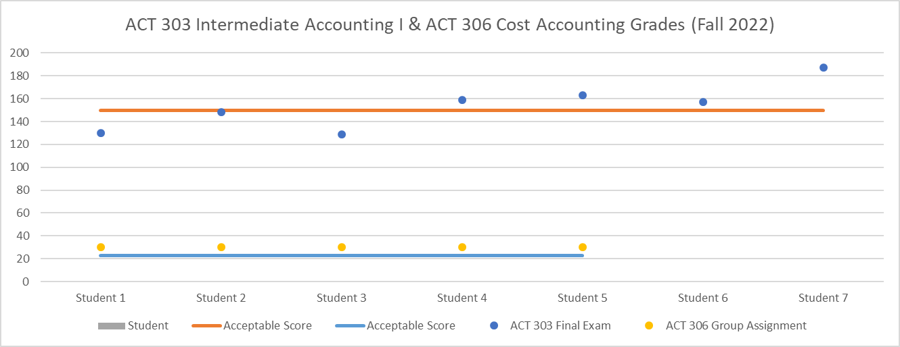
Have a global perspective of business. The performance standard for the Graduating Student Survey is at least 75% of student's reponse "Good" or "Excellent" for the questions: “Awareness of Global Issue.” The performance standard for the direct measure is material which has been covered in ACT 303 Chapter 4. The Income Statement, Comprehensive Income, and The Statement of Cash Flows (Fall 2022). | Summative, External Data derived from the BS in Accounting Graduating Student Survey (INDIRECT) __________________ A direct measure would be included in the foreign currency translation lecture when the professor taught other comprehensive income (OCI) (DIRECT) | A goal of at least 75% of student's response "Good" or Excellent" was set as a benchmark for the learning outcome 3 ________________ A goal of 100% of the students has been completed the lecture about Awareness of Global Issue in OCI | PIE conducts the Graduating Student survey annually. Fully 100% of students responded “Good” or Excellent” regarding their “use of qualitative/ quantitative techniques within your professional field” - performance standard was met. The average response was in the rage of “Good” to “Excellent” | Analysis and Implications: The result above highlights that students had some opportunity to learn about potential accounting issues related to the global business environment. Although this is the point of strength, this can be improved with more examples and discussion on these issues. Improvements: To help students have a global perspective of business, we plan to include in-depth discussion of a few important global issues (e.g., the impact of foreign currency translations, a key difference between US GAAP and IFRS, etc). | 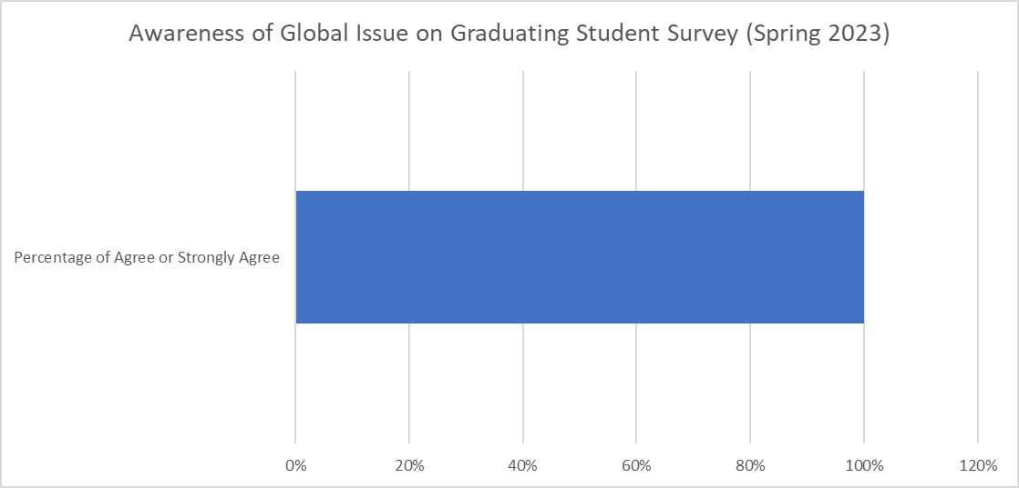
Communicate effectively in quantitative and qualitative terms orally and in writing. The performance standard will score 85 or greater in both individual project The performance standard of group project from ACT-430 Government and Not-for-Profit Accounting will be 85 or above | Formative, Internal, Comapartive Data from ACT-430 Government and Not-for-Profit Accounting Project #1 Analyzing a CAFR (DIRECT) __________________ Formative, Internal, Comapartive Data from ACT-430 Government and Not-for-Profit Accounting Project #2 Analysis of an NFP entity (INDIRECT) | A goal of 80% of the individual and group project would obtain a grade of 85% or greater. | The grades for the individual project whereby each student prepared a financial analysis of his/her chosen Not-for-Profit entity ranged from 50% to 100%. The student who received the grade of 50% was the only individual who received a grade of less than 85% while the other students received grades from 88% to 100%, with all of these grades greater than my target. Hence, my target of 80% of my students obtaining a grade of 85% or more was met. Also, the average grade for this individual project was 86.4%. The grades for this Group Project whereby students divided themselves into two groups with one group preparing an in-depth analysis of the Comprehensive Annual Financial Report (CAFR) for Washington, DC and the other group analyzing the CAFR for Baltimore City, Maryland. Both groups prepared well-written reports analyzing their respective city CAFRs plus oral presentations using Power Points were excellent as they were detailed, organized, and well delivered by all members of each group. Both groups well deserved 100% in grading and readily surpassed my target. | Analysis and Implications: In regard to the Direct Project whereby each student chose a different Not-for-Profit 501c3 entity that student was required to research and then prepare an in-depth financial analysis of that specific NFP entity’s financial statements, the target of 80% of the students obtaining a grade of 85% or more was reached; only one student prepared a report that was not satisfactory and received a grade of 50%. All of the other students, though, received grades greater than 85% revealing these students having made a significant commitment of time and research in preparing this analytical report; this type of analytical report involving significant research will provide the students a firm basis for future similar projects in the Accounting field. Improvements: In regard to the Indirect Project involving groups reviewing Comprehensive Annual Financial Reports for the cities of Washington, DC and Baltimore, Maryland, both groups were graded on actual content, organization of content, presentation of content, and apparent group dynamics. Both groups excelled in both their presentations and content displayed (via PowerPoint) as well as their in-depth written reports reviewing their CAFR analyses. Both groups received grades of 100% and surpassed the target. The analysis of a 501c3 NFP entity is an excellent project for this course Government and NFP Accounting because it requires students to individually research an NFP 501c3 entity and appreciate the financial statements in order to calculate critical financial ratios in order to provide rationale as to whether (or not) to donate to the NFP entity. This project should continue to be included in this course. The Group Project is also an excellent means of not only requiring Accounting students to work together as a team to prepare an in-depth analysis in both oral presentation and written report but to much more fully appreciate the intricacies of a city’s CAFR. This group project on researching a CAF | 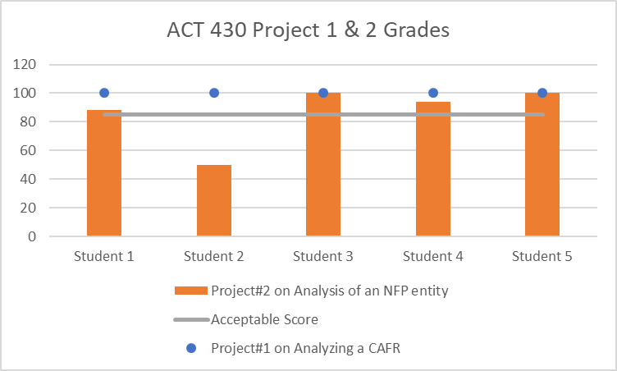
Use a range of business technologies to perform analysis, synthesize information and draw conclusions. The Performance Standard will score 18.7 or greater for Exam 2 out of 22. The performance standard 80% of the groups would obtain a grade of 70% or greater for the weekly reading assignments | Formative, Internal, Comparative Data from ACT 202 Principles of Accounting II (DIRECT) __________________ Formative, Internal, Comparative Data from ACT 202 Principles of Accounting II Weekly Reading Assignments (INDIRECT) | A goal of 80% of the groups would obtain a grade of 85% or greater for Exam 2 A goal of 80% of the groups would obtain a grade of 70% or greater for the weekly reading assignments | 22/FA ACT 202 has 16 students in total. ACT 202 is a required course for BS Accounting students. The Final Exam was submitted via Canvas site. 13 out of 16 students receive the score of 85% of possible points or higher. (81%) The performance standard was met. ____________________________________ The scores of students working on the weekly reading assignment were collected via Canvas by the BILT Assessment and Accreditation Coordinator. 7 out of 16 students receive a grade of 70% or greater (44%) The performance standard was not met. | Analysis and Implications: The results highlight that students were able to perform accounting business analysis and to draw conclusions and were able to make use of technology to perform the analysis. The weakness was in the number of students who did not keep up with the work and failed to meet the deadlines. This has caused the drop in the overall overage. Improvements: In order to improve the program and students' performance, the course introduced more reminders to help students meet the deadlines. | 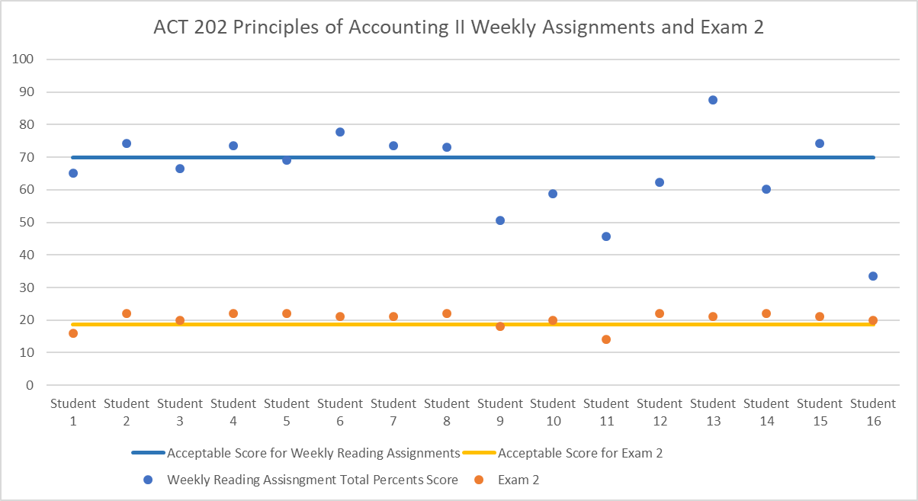
Apply contemporary accounting practices to specific problems. The performance standard 80% of the groups would obtain a grade of 75% or greater for both direct and indirect measure | Formative, Internal, Comparative Data from ACT 420 Advanced Accounting Topics. Exam 1 and Exam 2 focusing on complex accounting issues with an emphasis on research to develop sound accounting treatments for various business transactions (DIRECT) __________________ ACT 420 Advanced Accounting Topics Weekly Homeworks (INDIRECT) | A goal of 80% of individual and group assignments would obtain a grade of 75% or greater of possible point. | 23/SP ACT 420 has 5 students in total. The Final Exam was submitted via Canvas site. There are 3 out of 5 students receive grade of 75% or greater in both Exam 1 and Exam 2 (60%) The performance standard was not met. 23/SP ACT 420 has 5 students in total. There are 12 Chapter Homeworks on Smartbook that students need to complete weekly. 3 out of 5 students receive a percentage of submission of 75% or greater (80%) This performance standard was met. | Analysis and Implications: Students performed well in their weekly homework and were able to complete all work on time. This was a strength in the course. The exam performance was below the standard but that was affected by the first exam grades. Students did not prepare well for the first exam but excelled in the second one. Improvements: To improve the course outcome, the course introduced more exam practice and exam study guide. | 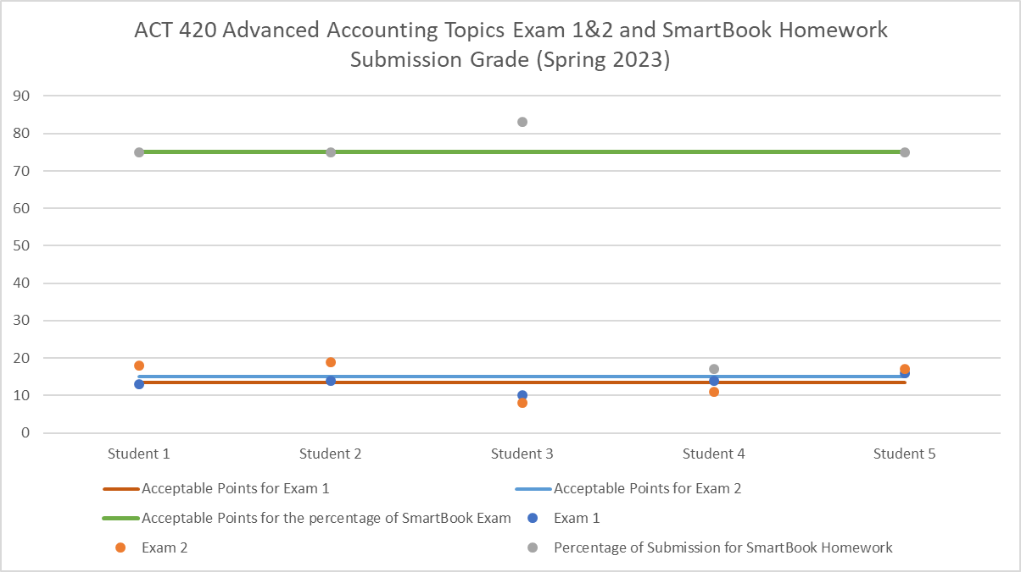
Apply an ethical perspective when analyzing contemporary business issues and practices.The performance standard 80% of the groups would obtain a grade of 85% or greater of the possible point for both direct and indirect measure | Formative, Internal, Comparative Data from ACT 410 Auditing. Final Exam focusing on auditing standards, internal controls, substantive testing, and the auditor's report (DIRECT). __________________ ACT 410 Auditing Group Work (INDIRECT) | A goal of 80% of individual/ group assignments would obtain a grade of 85% or greater of possible point. | 22/FA ACT 410 has 5 students in the class. The grades for the Final Exam ranged from 92% to 100% with the average grade being 98.0%. This performance standard was met because all students obtained grades greater than 85% in their Final Exams. 22/FA ACT 410 has 5 students in the class. The Group Project was submitted via Canvas site. The grades for Project 1, which involved students working in small groups and preparing a 5-year Trend Analysis of a publicly traded company of their choosing using data obtained from Bloomberg Terminals, ranged from 92% and 96%. The average group grade was 94%. Therefore, the performance standard was met. | Analysis and Implications: In regard to the Final Exam which was composed of 47 multiple-choice questions covering seven chapters, student learning outcomes exceeded my target expectations of 80% having obtained a grade of 85% or greater. The fact that the students excelled and exceeded the expectations showed their total commitment to having studied and prepared for the Final Exam and, of course, having appreciated the material in Auditing. This superior learning outcome has shown the students should perform well in taking the CPA exam as well as aiding them in working on Audits at a CPA firm upon joining the Audit team. In regard to the Group Project where students were divided into small groups and prepared a comprehensive 5-year Trend Analysis of a publicly traded company using financial data derived from Bloomberg Terminals, the instructor graded the Group work in terms of actual content and organization of the material. The companies that were chosen were Nestle and NIKE. The preparation of Horizontal Analysis for both the Balance Sheets and Income Statements over the 5-year period as well as Financial Ratio Analysis were performed in a professional manner and the analytical discussions were meaningful. In regard to the Final Exam as a Direct Measure of a Learning Outcome, we would not change the way in which it was prepared using multiple choice questions representative of material from the final seven chapters. The final exam was not, per se, cumulative though Auditing concepts from the beginning of the course follows through the entire course. The Final Exam as prepared was an excellent method to measure the student’s appreciation of the Auditing material. Improvements: In regard to the Group Project as an Indirect Measure of a Learning Outcome, we would utilize this project again because students in each group were delegated to choose their group’s publicly traded company, perform the necessary research in obtaining the 5-year financial data and make deter | 